SK
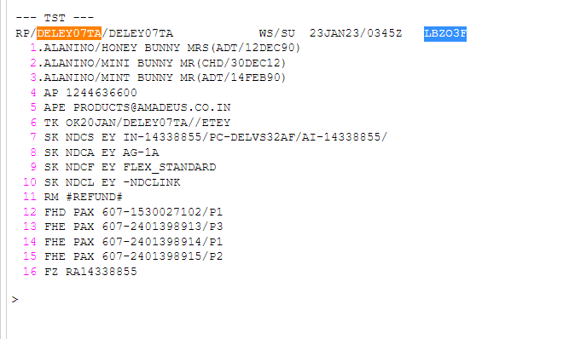

2

From booking message | "type": "service",
 | "id": "J3LKWS-2023-01-06-OT-15",
 | "code": "NDCA",
 | "subType": "SPECIAL_KEYWORD",
 | "serviceProvider": {
 | "code": "EY"
 | },
 | "text": "AG-TBO",

